Shipments
ບໍລິສັດ ຊີໄອທີ ຈຳກັດຜູ້ດຽວ - CIT SOLE CO.,LTD |  |  |  | ໃບສົ່ງເຄື່ອງ/SHIPMENTS
ບ້ານຫ້ວຍຫົງ, ເມືອງຈັນທະບູລີ, ນະຄອນຫຼວງວຽງຈັນ. |  |  | CIT0051
ໂທ: 02058189995, 58189996, 55556905 |  |  | 2021-04-30
Web: www.citgroup.la
Email: citgrouplao@gmail.com or dahualaos@gmail.com

ເຖິງ: | BCEL BANK - Phitsamay Hetel
ທີ່ຢູ່

ລດ | ລາຍການ | ສະເປັກເຄື່ອງ | ຈຳນວນ | ໝາຍເຫດ
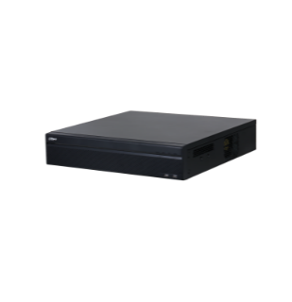 1 | XVR5104HS-I2 | 4 Channel Penta-brid 5M-N/1080P WizSense Digital Video Recorder > H.265+/H.265 dual-stream video compression > Supports HDCVI/AHD/TVI/CVBS/IP video inputs > Max 6 channels IP camera inputs, each channel up to 6MP; Max 32 Mbps incoming bandwidth > Perimeter Protection and SMD Plus > Up to 1 channel video stream (analog channel ) human face recognition > IoT & POS functionalities | 1.00
2 | 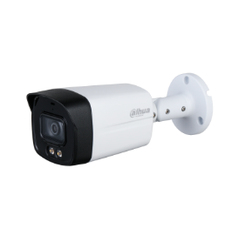 HAC-HFW1239TLMP-A-LED | 2M Full-color Starlight HDCVI Bullet Camera >Full-color starlight ກາງຄືນເປັນສີມີໄຟ LED >40m LED distance >Max. 30fps@1080P >CVI/CVBS/AHD/TVI Switchable >Built-in mic(-A) ບັນທຶກສຽງໄດ້ພ້ອມ >3.6mm fixed lens >IP67, 12V±30% DC | 3.00
3 | WD60EVRX | WD HDD Suiveillance 6 TB | 1.00
4 | PFM321D | Adapter 12V | 3.00
5 | Rack 6U |  | 1.00
6
7
8
9
Total: |  |  | 9.00

ກະລຸນາກວດລາຍການເຄື່ອງ, ຈຳນວນ ແລະ ສະເປັກເຄື່ອງ ກ່ອນເຊັນຮັບ - Please check the items, quantity and
specifications before signing.

 | ຜູ້ຮັບເຄື່ອງ | ຫົວໜ້າບໍລິສັດ | ຜູ້ສົ່ງເຄື່ອງ

